Data
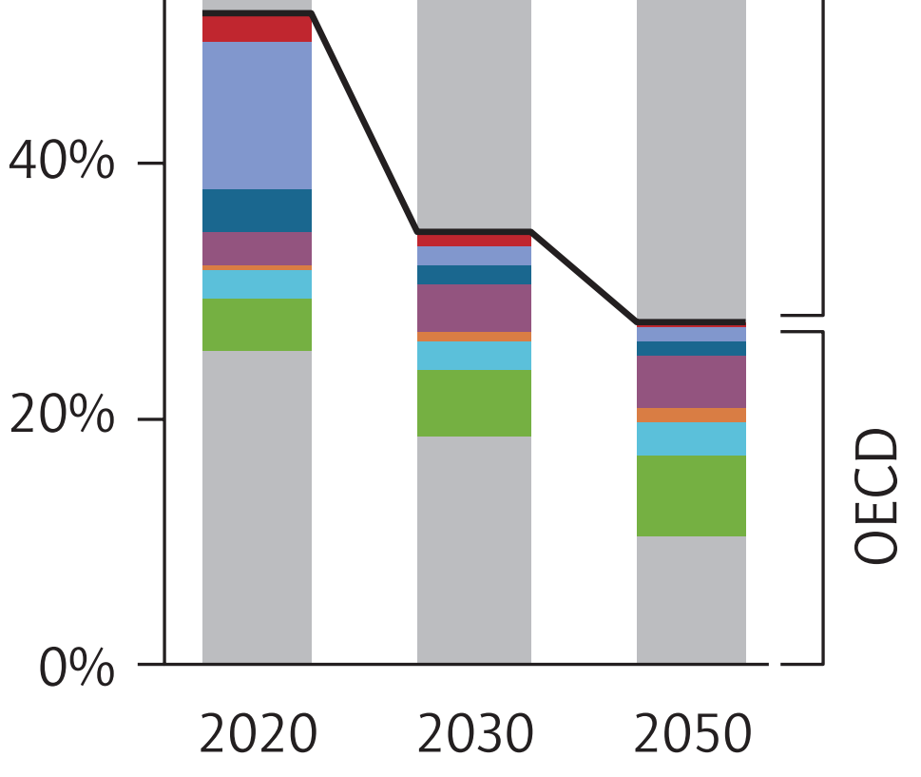
About: | This is a portion of Figure 4 on Page 22. It shows the breakdown of CCS by industry within the OECD.
 | The report only has this information as a graph, not in numbers. Fortunately, the graph is vector-based, so it is
 | possible to zoom in substantially, take a screenshot, and measure using a pixel ruler program.
 | See key to the colors and measurement results below.

 |  | Read from figure |  |  | Excluding Power Sector |  |  | Mapped onto model industry categories
 |  | Pixels | Pixels | Pixels | Pixels | Pixels |  |  | Pixels | Pixels | Pixels | % | % | %
 |  | 2020 | 2030 | 2050 | 2020 | 2030 | 2050 |  | 2020 | 2030 | 2050 | 2020 | 2030 | 2050
 | Refining (red) | 27 | 12 | 2 | 27 | 12 | 2 | cement and other carbonates | 5 | 10 | 15 | 1.9% | 10.9% | 18.1%
 | Gas processing (light blue) | 155 | 18 | 15 | 155 | 18 | 15 | natural gas and petroleum systems | 182 | 30 | 17 | 68.7% | 32.6% | 20.5%
 | Chemicals (dark blue) | 46 | 21 | 16 | 46 | 21 | 16 | iron and steel | 32 | 31 | 35 | 12.1% | 33.7% | 42.2%
 | Gas power (purple) | 36 | 49 | 54 |  |  |  | chemicals | 46 | 21 | 16 | 17.4% | 22.8% | 19.3%
 | Cement (orange) | 5 | 10 | 15 | 5 | 10 | 15 | mining | 0 | 0 | 0 | 0.0% | 0.0% | 0.0%
 | Iron and steel (turquoise) | 32 | 31 | 35 | 32 | 31 | 35 | waste management | 0 | 0 | 0 | 0.0% | 0.0% | 0.0%
 | Bioenergy (green) | 53 | 69 | 85 |  |  |  | other industries | 0 | 0 | 0 | 0.0% | 0.0% | 0.0%
 | Coal power (gray) | 328 | 238 | 133

 |  |  |  |  |  |  |  | By Model Sector
 |  |  |  |  |  |  |  |  | Pixels | Pixels | Pixels | % | % | %
 |  |  |  |  |  |  |  |  | 2020 | 2030 | 2050 | 2020 | 2030 | 2050
 |  |  |  |  |  |  |  | electricity sector | 417 | 356 | 272 | 64.2% | 85.4% | 85.0%
 |  |  |  |  |  |  |  | industry sector | 233 | 61 | 48 | 35.8% | 14.6% | 15.0%

 |  |  |  |  |  |  |  | Mapped onto model electricity source categories
 |  |  |  |  |  |  |  |  | Pixels | Pixels | Pixels | % | % | %
 |  |  |  |  |  |  |  |  | 2020 | 2030 | 2050 | 2020 | 2030 | 2050
 |  |  |  |  |  |  |  | coal | 328 | 238 | 133 | 78.7% | 66.9% | 48.9%
 |  |  |  |  |  |  |  | natural gas | 36 | 49 | 54 | 8.6% | 13.8% | 19.9%
 |  |  |  |  |  |  |  | biomass | 53 | 69 | 85 | 12.7% | 19.4% | 31.3%

